dashboard
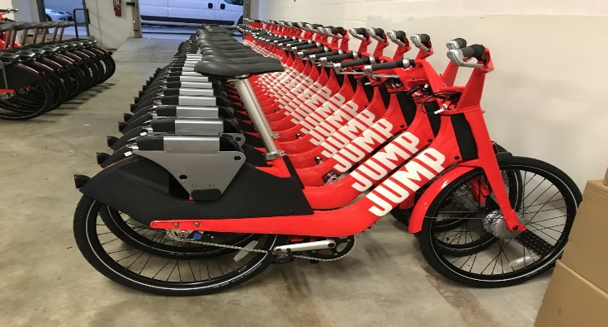 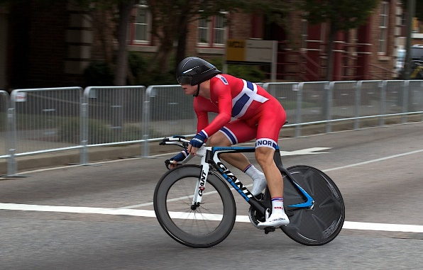 Bike Sales Dashboard

Purchase Vs Average Income
 | No | Yes
Female | 53,440 | 55,774
Male | 56,208 | 60,124
Distance Impact on sales
 | No | Yes
0-1 Miles | 166 | 200
1-2 Miles | 92 | 77
2-5 Miles | 67 | 95
5-10 Miles | 116 | 76
More than 10 Miles | 78 | 33
Purchases according to Age
 | No | Yes
adolescent | 71 | 39
Middle Age | 318 | 383
old | 130 | 59

